Sheet1
0.059725 | (spaghetti, mineral water)
0.052660 | (chocolate, mineral water)
0.050927 | (eggs, mineral water)
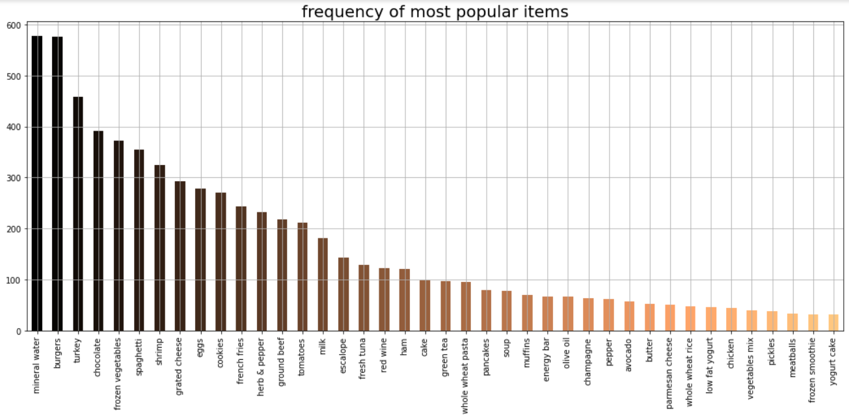
0.047994 | (milk, mineral water)
0.040928 | (mineral water, ground beef)
0.039195 | (chocolate, spaghetti)
0.039195 | (spaghetti, ground beef)
0.036528 | (spaghetti, eggs)
0.036395 | (eggs, french fries)
0.035729 | (mineral water, frozen vegetables)
0.035462 | (milk, spaghetti)
0.034395 | (chocolate, french fries)
0.033729 | (mineral water, french fries)
0.033729 | (mineral water, pancakes)
0.033196 | (chocolate, eggs)
0.032129 | (milk, chocolate)
0.031063 | (mineral water, green tea)
0.030796 | (milk, eggs)
0.028796 | (eggs, burgers)
0.028530 | (green tea, french fries)
0.027863 | (spaghetti, frozen vegetables)
0.027596 | (mineral water, olive oil)
0.027596 | (spaghetti, french fries)
0.027463 | (mineral water, cake)
0.026530 | (spaghetti, green tea)
0.025463 | (eggs, green tea)
0.025197 | (spaghetti, pancakes)
0.024397 | (tomatoes, mineral water)
0.023997 | (mineral water, low fat yogurt)
0.023730 | (milk, french fries)
0.023597 | (mineral water, shrimp)
0.023597 | (milk, frozen vegetables)
0.023464 | (chocolate, green tea)

